DV1
1.Goto Accounting > Adviser > Dividend and Patronage Distribution menu, then tap Create
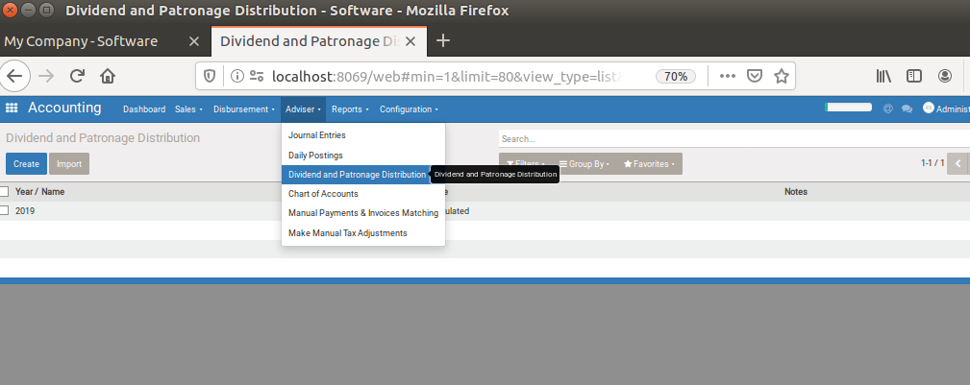

2. Input year on [Year/Name] , and input other necessary field
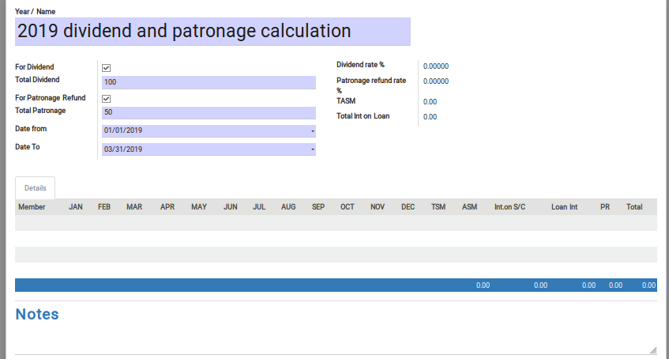

 |  | [For Dividend] : check on if this calculation is for dividend calculation
 |  | [Total Dividend]:Input total dividend amount
 |  | [For Patronage]:check on if this calculation is for patronage refund
 |  | [Total Patronage]:Input total patronage refund amount
 |  | [Date from] [Date to] : input date period for searching target cbu balance , or loan interest

3. Then Tap [Calculate] button
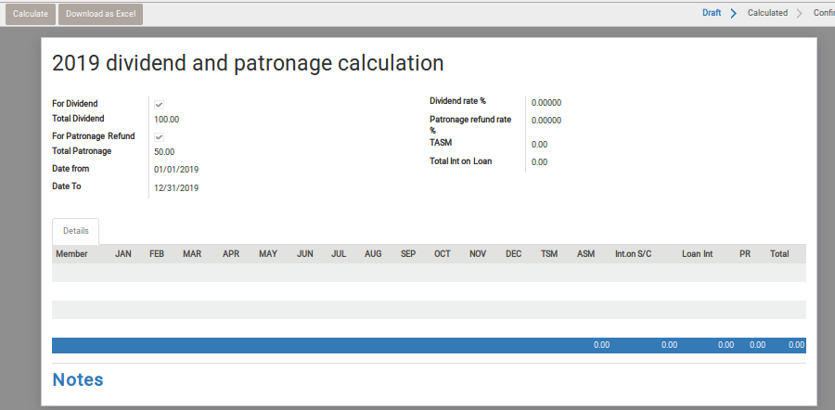

 | Then , every menber's incentive will be appeared on bottom table , and divdend tate and patronage rate will appear
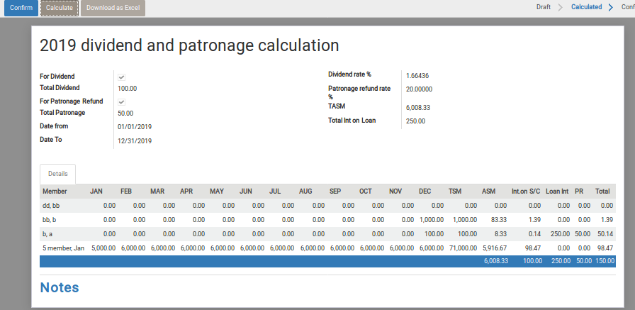

 | Calculation logic is below
 |  | 1.Calculation of divident amount (logic for get divident rate)
 |  | d1 get [TSM] (Total share month) of each member
 |  | [TSM] = get monthly balance of each member. Monthly balance will be the balance of the 7th date of each month. (if cbu deposit is done on 8th date onward , the deposit amount will be reflected as succeeding month's balance) summarize the monthly balance in the account year
 |  | d2. get [ASM] (Average share month) of each member
 |  | [ASM] = [TSM] / 12
 |  | d3. get [TASM] (Total Average share month)
 |  | [TASM] = Summary of every member's [TSM] (including left member)
 |  | d4. get [R1] (Intersest rate on share capital)
 |  | [R1] = [TD] (inputted total dividend ) divided by [TASM] Round at 7th decimal degit
 |  | d5.calculate each [IISC](Individual Interest on Share Capital)
 |  | [IISC] = [ASM] * [R1]
 |  | 2.Calculation of patronage refund rate (logic for get patronage refund amount)
 |  | p1.get total interest income amount([Int on LOAN] from each member of the year
 |  | [Int On LOAN] = Summarize credit amount of account move transaction
 |  |  | whose coa title is set as interest income gl account ,and whose transaction date is in the year
 |  | p1.get total interest paid amount([Int on LOAN] from each member of the year
 |  | [Int On LOAN] = Summarize paid interest amount (interest amount on deduction ) , which loan approved date is in the year

 |  | p2. get total [Int On LOAN]
 |  | [Total Int ON LOAN] = summarize every member's [Int On LOAN]
 |  | p3. get [PR] (patronaze rate )
 |  | [PR] = [TP(inputted Total Patronage Amount)] /[Total Int ON LOAN]
 |  | p4.set individual refund amount
 |  | [Int On Loan] * [PR]

4.Download as excel file

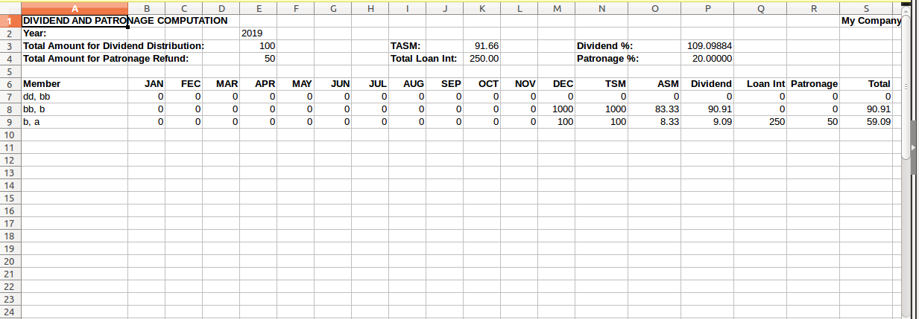

 |  |  | Use for reporting , and cash payable management to each member

DVOP
This sheet is for reference of actual operation of usembassy's dividend and patronage

Between axplanation(A) and computation sample(B) seems unmatched. So I re-write the figure in C , please confirm if C is correct for avoiding mis-understanding.
 | (A)
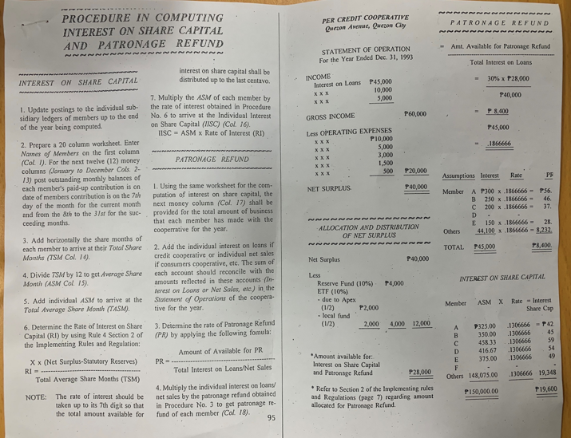

 | (B)
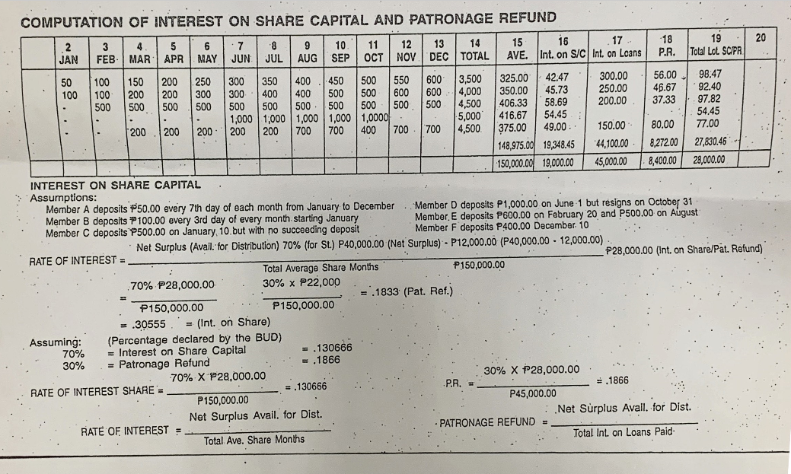
How compute to 3500,4000,4500?
(Summary Jan-Dec is 3900,4200,5500)

This AVE is unmatched with [TOTAL/12]. What is the formula?
why 58.69?
it should be 53.09 if 406.33 is correct

it is 19600( 28000 times 0.7 ) , isn't it?
This should be 28

How compute to 4500?(Summary Jan-Dec is 4200)

this is unmatched with any line in above figure. assume 200 instead of 600? if so , this is matched with 5th line without Oct.

This is unmatched with 2nd line in above figure ( should be 100,200,300,400,,,1200). Why?

 |  |  |  |  |  |  |  |  |  |  |  |  |  |  |  |  | Step 1: |  | January | December | Average paid up share capital | Total Capital/12 | 325,000

 |  |  |  |  |  |  |  |  |  |  |  |  |  |  |  |  | Step 2: | For distribution: | interest paid up share capital |  |  | 10,000,000 | Identified by the board
 |  |  |  |  |  |  |  |  |  |  |  |  |  |  |  |  |  |  | Average total capitalization of the overall cooperative |  |  | 150,000,000 | 0.066666666667 | interest for each member
 |  |  |  |  |  |  |  |  |  |  |  |  |  |  |  |  |  |  | Participation rate for each member |  |  | 0.066666666667
 |  |  |  |  |  |  |  |  |  |  |  |  |  |  |  |  |  |  | Total Share |  |  |  | 21666.666667

 |  |  |  |  |  |  |  |  |  |  |  |  |  |  |  |  |  | Monthly paid up share balances and average for the whole year depending on our own timing February, May, and December

 |  |  |  |  |  |  |  |  |  |  |  |  |  |  |  |  |  | 1 | February |  |  | Febuary to February
 |  |  |  |  |  |  |  |  |  |  |  |  |  |  |  |  |  | 2 | May |  |  | January to April
 |  |  |  |  |  |  |  |  |  |  |  |  |  |  |  |  |  | 3 | December |  |  | January to October

 | C
 |  | JAN | FEB | MAR | APR | MAY | JUN | JUL | AUG | SEP | OCT | NOV | DEC | TOTAL | AVE | Int. on S/C |  | Int on LOAN | P.R | TOTAL Lot SCFR
 | MEMBERA | 50 | 100 | 150 | 200 | 250 | 300 | 350 | 400 | 450 | 500 | 550 | 600 | 3900 | 325 | 42.47 |  | 300 | 56.00 | 98.47
 | B | 100 | 200 | 300 | 400 | 500 | 600 | 700 | 800 | 900 | 1000 | 1100 | 1200 | 7800 | 650 | 84.93 |  | 250 | 46.67 | 131.60
 | C |  | 500 | 500 | 500 | 500 | 500 | 500 | 500 | 500 | 500 | 500 | 500 | 5500 | 458.33333333 | 59.89 |  | 200 | 37.33 | 97.22
 | D |  |  |  |  |  | 1000 | 1000 | 1000 | 1000 | 1000 |  |  | 5000 | 416.66666667 | 54.44 |  | 0 | 0.00 | 54.44
 | E |  |  | 600 | 600 | 600 | 600 | 600 | 1100 | 1100 | 1100 | 1100 | 1100 | 8500 | 708.33333333 | 92.56 |  | 150 | 28.00 | 120.56
 | F | - | - | - | - | - | - | - | - | - | - | - | - | 0 | 0 |  |  | 0 | 0 | 0

 | key asumption

 |  | 1.net surplus |  | 2.avail for |  | 3.divident percentage |  | 4.refund percentage |  | 5.total of |  | 6.divident rate |  | 7.Loan interest |  | 8.patronage rage
 |  |  |  | divident+patronage |  | for distribution |  | for patronage |  | member's AVE |  | (result of 1-5) |  | income total
 |  | 40000 |  | 28000 |  | 0.7 |  | 0.3 |  | 150000 |  | 0.1306667 |  | 45000 |  | 0.1866667

 | Other assumption per sample member A-F
 |  | (for CBU)

 |  | (for Patronage)

 |  |  | memberA | 300
 |  |  | B | 250
 |  |  | C | 200
 |  |  | D | 0
 |  |  | E | 150
 |  |  | F | 0

 |  |  | TSM | 全てのメンバーの monthly CBUの合計

